Arkusz1
PICTURE | CODE | NAME | PRICE EUR | TOTAL | 116 | 128 | 140 | 152 | 164 | 176
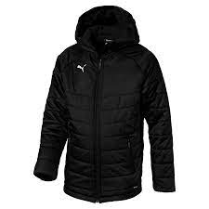 | 656292-03 | PUMA (13) LIGA Sideline Bench Jkt Jr | 24.15 EUR | 200 | 4 | 13 | 34 | 63 | 86
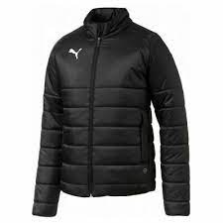 | 655625-03 | PUMA (8) LIGA Casuals Padded Jacket Jr | 24.15 EUR | 200 | 8 | 33 | 56 | 45 | 48 | 10
PICTURE | CODE | NAME | PRICE EUR | TOTAL | 6.5 | 7 | 7.5 | 8 | 8.5 | 9 | 9.5 | 10 | 10.5 | 11 | 12 | 13 | 14
 | 195064-02 | PUMA (12) Court Rider,Puma Black-Puma W | 37.50 EUR | 82 |  |  | 7 | 10 | 5 | 12 | 12 | 8 | 12 | 7 | 4 | 3 | 2
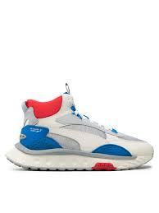 | 381598-02 | PUMA (8) Wild Rider Mid WS | 37.50 EUR | 190 | 3 | 2 | 14 | 33 | 11 | 39 | 33 | 11 | 30 | 14
PICTURE | CODE | NAME | PRICE EUR | TOTAL | XS | S | M | L | XL
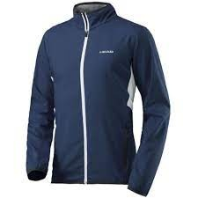 | 814707-NV | HEAD CLUB JACKET W | 16.00 EUR | 443 | 68 | 127 | 141 | 65 | 42
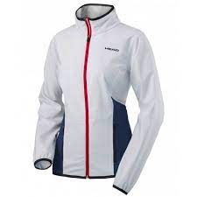 | 814707-WH | HEAD CLUB JACKET W | 16.00 EUR | 336 | 77 | 81 | 64 | 76 | 38
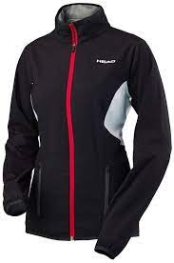 | 814707-BK | HEAD CLUB JACKET W | 16.00 EUR | 50 | 1 | 12 | 23 | 1 | 13
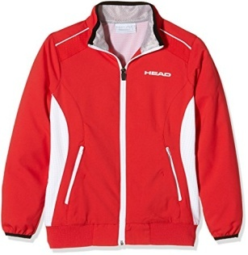 | 814605-RD | HEAD CLUB W JACKET | 16.00 EUR | 45 | 10 |  | 21 | 14

